LCV =<3,5t
 |  | P R E S S R E L E A S E

 |  | PRESS EMBARGO FOR ALL DATA :
 |  | 8.00 AM (7.00 AM GMT), 26 January 2016

 |  | PROVISIONAL
 |  | EU1+EFTA COUNTRIES NEW REGISTRATION FIGURES BY MARKET
 |  | NEW LIGHT COMMERCIAL VEHICLES up to 3.5t2

 |  |  |  |  |  |  | 26/01/16
 |  | December | December | % | Jan-Dec | Jan-Dec | %
 |  | '15 | '14 | Change | '15 | '14 | Change
 | AUSTRIA | 2,588 | 2,245 | 15.3% | 32,862 | 31,168 | 5.4%
 | BELGIUM | 4,385 | 3,861 | 13.6% | 61,208 | 53,373 | 14.7%
 | BULGARIA | 581 | 385 | 50.9% | 4,553 | 3,972 | 14.6%
 | CROATIA | 501 | 271 | 84.9% | 6,695 | 5,206 | 28.6%
 | CYPRUS | 124 | 85 | 45.9% | 1,443 | 1,145 | 26.0%
 | CZECH REPUBLIC | 1,922 | 1,528 | 25.8% | 17,131 | 13,165 | 30.1%
 | DENMARK | 3,317 | 3,034 | 9.3% | 32,479 | 28,498 | 14.0%
 | ESTONIA | 222 | 199 | 11.6% | 3,580 | 2,918 | 22.7%
 | FINLAND | 1,022 | 885 | 15.5% | 11,431 | 10,625 | 7.6%
 | FRANCE | 39,769 | 36,583 | 8.7% | 377,738 | 370,362 | 2.0%
 | GERMANY | 22,427 | 21,233 | 5.6% | 237,902 | 228,323 | 4.2%
 | GREECE | 574 | 643 | -10.7% | 5,653 | 4,856 | 16.4%
 | HUNGARY | 2,291 | 1,985 | 15.4% | 17,515 | 15,937 | 9.9%
 | IRELAND | 236 | 157 | 50.3% | 23,722 | 16,732 | 41.8%
 | ITALY3 | 14,200 | 11,465 | 23.9% | 132,186 | 117,617 | 12.4%
 | LATVIA | 193 | 301 | -35.9% | 2,347 | 2,539 | -7.6%
 | LITHUANIA | 219 | 162 | 35.2% | 2,367 | 1,997 | 18.5%
 | LUXEMBOURG | 292 | 269 | 8.6% | 3,807 | 3,357 | 13.4%
 | NETHERLANDS | 3,410 | 2,714 | 25.6% | 57,717 | 51,761 | 11.5%
 | POLAND | 6,347 | 5,170 | 22.8% | 53,285 | 45,577 | 16.9%
 | PORTUGAL | 3,728 | 3,722 | 0.2% | 30,858 | 26,166 | 17.9%
 | ROMANIA | 1,287 | 915 | 40.7% | 11,066 | 9,903 | 11.7%
 | SLOVAKIA | 720 | 565 | 27.4% | 7,297 | 5,630 | 29.6%
 | SLOVENIA | 780 | 497 | 56.9% | 7,452 | 6,978 | 6.8%
 | SPAIN | 14,472 | 11,686 | 23.8% | 154,928 | 113,863 | 36.1%
 | SWEDEN | 4,501 | 4,331 | 3.9% | 44,798 | 41,933 | 6.8%
 | UNITED KINGDOM | 30,410 | 26,529 | 14.6% | 371,830 | 321,686 | 15.6%
 | EUROPEAN UNION1 | 160,518 | 141,420 | 13.5% | 1,713,850 | 1,535,287 | 11.6%
 | EU154 | 145,331 | 129,357 | 12.3% | 1,579,119 | 1,420,320 | 11.2%
 | EU125 | 15,187 | 12,063 | 25.9% | 134,731 | 114,967 | 17.2%
 | ICELAND6 | 104 | 83 | 25.3% | 1,355 | 858 | 57.9%
 | NORWAY | 4,465 | 2,643 | 68.9% | 33,254 | 29,611 | 12.3%
 | SWITZERLAND | 2,608 | 2,335 | 11.7% | 31,018 | 28,822 | 7.6%
 | EFTA | 7,177 | 5,061 | 41.8% | 65,627 | 59,291 | 10.7%
 | EU+EFTA | 167,695 | 146,481 | 14.5% | 1,779,477 | 1,594,578 | 11.6%
 | WESTERN EUROPE (EU15+EFTA) | 152,508 | 134,418 | 13.5% | 1,644,746 | 1,479,611 | 11.2%
 | SOURCE: NATIONAL AUTOMOBILE MANUFACTURERS' ASSOCIATIONS
 | 1Data for Malta unavailable |  |  | 4Member States before the 2004 enlargement
 | 2Including Light Buses & Coaches |  |  | 5Member States having joined the EU since 2004 (data for Malta unavailable)
 | 3ANFIA estimates |  |  | 6AAA esimates
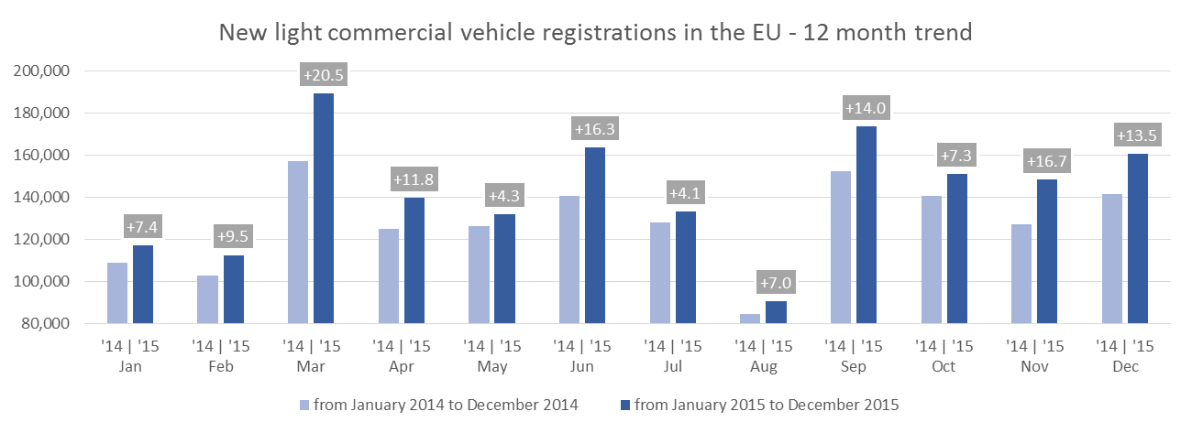

For further information, please contact: Ms Francesca Piazza - Statistics & Communications Advisor - E-mail: fp@acea.be - Tel. (32) 2 738 73 55
This information is available on the ACEA website: http://www.acea.be
Next press release on Commercial Vehicles to be issued on Wednesday 24 February 2016
 |  |  |  |  |  |  | Page 3 of 7

HCV - Trucks > 16t
 |  | P R E S S R E L E A S E

 |  | PRESS EMBARGO FOR ALL DATA :
 |  | 8.00 AM (7.00 AM GMT), 26 January 2016

 |  | PROVISIONAL
 |  | EU1+EFTA COUNTRIES NEW REGISTRATION FIGURES BY MARKET
 |  | NEW HEAVY COMMERCIAL VEHICLES of 16t and over2

 |  |  |  |  |  |  | 26/01/16
 |  | December | December | % | Jan-Dec | Jan-Dec | %
 |  | '15 | '14 | Change | '15 | '14 | Change
 | AUSTRIA | 310 | 246 | 26.0% | 6,715 | 6,300 | 6.6%
 | BELGIUM | 366 | 343 | 6.7% | 6,819 | 6,307 | 8.1%
 | BULGARIA | n.a | n.a | n.a | n.a | n.a | n.a
 | CROATIA | 51 | 42 | 21.4% | 779 | 759 | 2.6%
 | CYPRUS | 4 | 2 | 100.0% | 15 | 11 | 36.4%
 | CZECH REPUBLIC3 | 732 | 543 | 34.8% | 8,793 | 7,463 | 17.8%
 | DENMARK | 290 | 331 | -12.4% | 4,357 | 3,318 | 31.3%
 | ESTONIA | 16 | 38 | -57.9% | 703 | 706 | -0.4%
 | FINLAND | 170 | 165 | 3.0% | 2,126 | 1,953 | 8.9%
 | FRANCE | 3,365 | 2,867 | 17.4% | 36,856 | 32,698 | 12.7%
 | GERMANY | 4,079 | 3,790 | 7.6% | 60,947 | 57,886 | 5.3%
 | GREECE | 54 | 25 | 116.0% | 278 | 212 | 31.1%
 | HUNGARY | 643 | 546 | 17.8% | 5,229 | 4,438 | 17.8%
 | IRELAND4 | 9 | 3 | 200.0% | 1,491 | 1,438 | 3.7%
 | ITALY5 | 855 | 759 | 12.6% | 11,896 | 9,496 | 25.3%
 | LATVIA | 70 | 66 | 6.1% | 1,383 | 979 | 41.3%
 | LITHUANIA4 | 230 | 130 | 76.9% | 3,609 | 2,117 | 70.5%
 | LUXEMBOURG4 | 42 | 45 | -6.7% | 1,005 | 918 | 9.5%
 | NETHERLANDS | 764 | 885 | -13.7% | 12,390 | 9,218 | 34.4%
 | POLAND | 1,986 | 1,560 | 27.3% | 20,236 | 15,361 | 31.7%
 | PORTUGAL | 325 | 339 | -4.1% | 3,322 | 2,513 | 32.2%
 | ROMANIA | 440 | 252 | 74.6% | 5,672 | 3,633 | 56.1%
 | SLOVAKIA | 242 | 222 | 9.0% | 4,010 | 3,185 | 25.9%
 | SLOVENIA4 | 136 | 113 | 20.4% | 1,743 | 1,343 | 29.8%
 | SPAIN | 1,584 | 1,446 | 9.5% | 19,151 | 13,808 | 38.7%
 | SWEDEN | 514 | 466 | 10.3% | 4,827 | 4,711 | 2.5%
 | UNITED KINGDOM | 3,562 | 1,807 | 97.1% | 35,783 | 27,095 | 32.1%
 | EUROPEAN UNION1 | 20,839 | 17,031 | 22.4% | 260,135 | 217,866 | 19.4%
 | EU15 | 16,289 | 13,517 | 20.5% | 207,963 | 177,871 | 16.9%
 | EU121 | 4,550 | 3,514 | 29.5% | 52,172 | 39,995 | 30.4%
 | ICELAND4 | 17 | 13 | 30.8% | 120 | 82 | 46.3%
 | NORWAY4 | 217 | 316 | -31.3% | 3,894 | 4,106 | -5.2%
 | SWITZERLAND3 | 161 | 163 | -1.2% | 3,033 | 3,274 | -7.4%
 | EFTA | 395 | 492 | -19.7% | 7,047 | 7,462 | -5.6%
 | EU+EFTA | 21,234 | 17,523 | 21.2% | 267,182 | 225,328 | 18.6%
 | WESTERN EUROPE (EU15+EFTA) | 16,684 | 14,009 | 19.1% | 215,010 | 185,333 | 16.0%
 | SOURCE: NATIONAL AUTOMOBILE MANUFACTURERS' ASSOCIATIONS
 | 1Data for Malta unavailable |  | 4AAA esimates
 | 2Excluding Heavy Buses & Coaches |  | 5ANFIA estimates based on vehicle registration certificates issued by the Italian Ministry of Transport
 | 3Heavy Commercial Vehicles of 18t and over
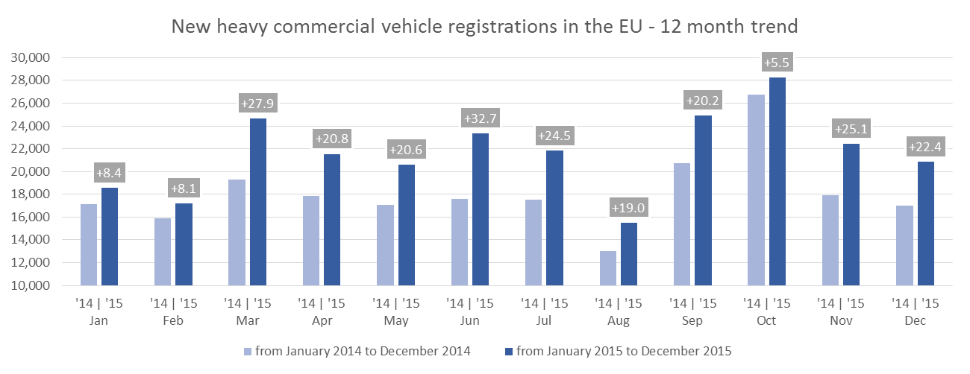

For further information, please contact: Ms Francesca Piazza - Statistics & Communications Advisor - E-mail: fp@acea.be - Tel. (32) 2 738 73 55
This information is available on the ACEA website: http://www.acea.be
 |  |  |  |  |  |  |  | Page 4 of 7

MCV+HCV >3,5t - Trucks
 |  | P R E S S R E L E A S E

 |  | PRESS EMBARGO FOR ALL DATA :
 |  | 8.00 AM (7.00 AM GMT), 26 January 2016

 |  | PROVISIONAL
 |  | EU1+EFTA COUNTRIES NEW REGISTRATION FIGURES BY MARKET
 |  | NEW MEDIUM & HEAVY COMMERCIAL VEHICLES over 3.5t2

 |  |  |  |  |  |  | 26/01/16
 |  | December | December | % | Jan-Dec | Jan-Dec | %
 |  | '15 | '14 | Change | '15 | '14 | Change
 | AUSTRIA | 353 | 303 | 16.5% | 7,281 | 6,829 | 6.6%
 | BELGIUM | 457 | 432 | 5.8% | 8,327 | 7,801 | 6.7%
 | BULGARIA | n.a. | n.a. | n.a. | n.a. | n.a. | n.a.
 | CROATIA | 62 | 47 | 31.9% | 1,011 | 952 | 6.2%
 | CYPRUS | 7 | 3 | 133.3% | 47 | 26 | 80.8%
 | CZECH REPUBLIC | 1,050 | 741 | 41.7% | 10,732 | 9,054 | 18.5%
 | DENMARK | 329 | 386 | -14.8% | 4,756 | 3,692 | 28.8%
 | ESTONIA | 22 | 43 | -48.8% | 762 | 768 | -0.8%
 | FINLAND | 231 | 212 | 9.0% | 2,707 | 2,560 | 5.7%
 | FRANCE | 3,918 | 3,461 | 13.2% | 42,783 | 38,784 | 10.3%
 | GERMANY | 7,056 | 5,906 | 19.5% | 89,744 | 85,971 | 4.4%
 | GREECE | 57 | 65 | -12.3% | 457 | 383 | 19.3%
 | HUNGARY | 733 | 587 | 24.9% | 5,701 | 4,839 | 17.8%
 | IRELAND | 16 | 4 | 300.0% | 1,841 | 1,763 | 4.4%
 | ITALY3 | 1,135 | 1,031 | 10.1% | 15,248 | 12,666 | 20.4%
 | LATVIA | 81 | 70 | 15.7% | 1,468 | 1,062 | 38.2%
 | LITHUANIA4 | 238 | 138 | 72.5% | 3,715 | 2,251 | 65.0%
 | LUXEMBOURG | 51 | 50 | 2.0% | 1,076 | 1,013 | 6.2%
 | NETHERLANDS | 848 | 987 | -14.1% | 13,767 | 10,347 | 33.1%
 | POLAND | 2,235 | 1,775 | 25.9% | 22,437 | 17,717 | 26.6%
 | PORTUGAL | 420 | 408 | 2.9% | 4,039 | 3,128 | 29.1%
 | ROMANIA | 474 | 283 | 67.5% | 5,954 | 3,907 | 52.4%
 | SLOVAKIA | 294 | 254 | 15.7% | 4,447 | 3,646 | 22.0%
 | SLOVENIA4 | 157 | 132 | 18.9% | 1,907 | 1,492 | 27.8%
 | SPAIN | 1,939 | 1,623 | 19.5% | 22,435 | 16,214 | 38.4%
 | SWEDEN | 576 | 543 | 6.1% | 5,457 | 5,251 | 3.9%
 | UNITED KINGDOM | 4,576 | 2,606 | 75.6% | 47,590 | 38,240 | 24.5%
 | EUROPEAN UNION1 | 27,315 | 22,090 | 23.7% | 325,689 | 280,356 | 16.2%
 | EU15 | 21,962 | 18,017 | 21.9% | 267,508 | 234,642 | 14.0%
 | EU121 | 5,353 | 4,073 | 31.4% | 58,181 | 45,714 | 27.3%
 | ICELAND4 | 34 | 19 | 78.9% | 225 | 134 | 67.9%
 | NORWAY | 266 | 387 | -31.3% | 5,196 | 5,445 | -4.6%
 | SWITZERLAND | 216 | 216 | 0.0% | 3,878 | 4,147 | -6.5%
 | EFTA | 516 | 622 | -17.0% | 9,299 | 9,726 | -4.4%
 | EU+EFTA | 27,831 | 22,712 | 22.5% | 334,988 | 290,082 | 15.5%
 | WESTERN EUROPE (EU15+EFTA) | 22,478 | 18,639 | 20.6% | 276,807 | 244,368 | 13.3%
 | SOURCE: NATIONAL AUTOMOBILE MANUFACTURERS' ASSOCIATIONS
 | 1Data for Malta unavailable |  | 3ANFIA estimates based on vehicle registration certificates issued by the Italian Ministry of Transport
 | 2Excluding total Buses & Coaches over 3.5t |  | 4AAA estimates
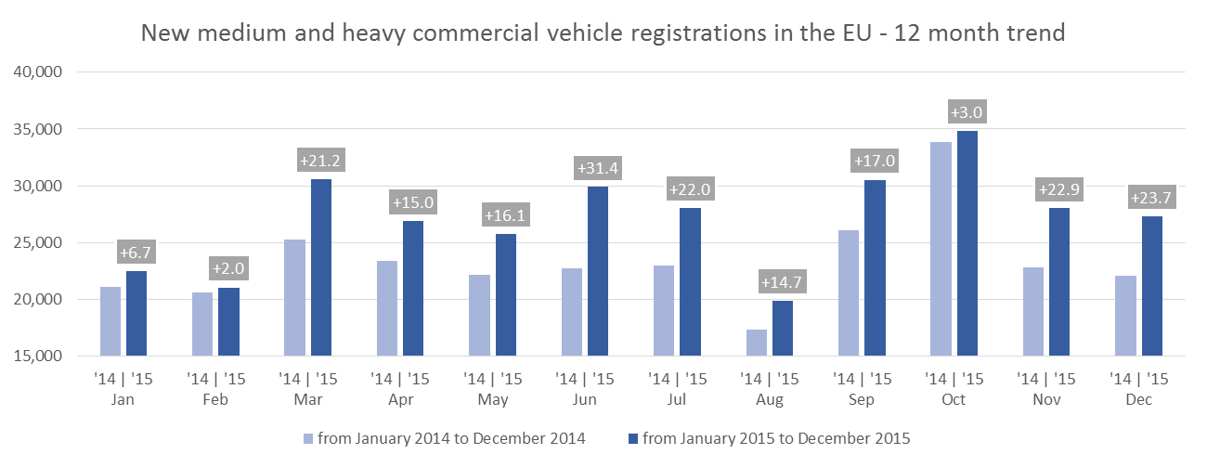

For further information, please contact: Ms Francesca Piazza - Statistics & Communications Advisor - E-mail: fp@acea.be - Tel. (32) 2 738 73 55
This information is available on the ACEA website: http://www.acea.be
 |  |  |  |  |  |  |  | Page 5 of 7

MBC+HBC > 3,5t
 |  | P R E S S R E L E A S E

 |  | PRESS EMBARGO FOR ALL DATA :
 |  | 8.00 AM (7.00 AM GMT), 26 January 2016

 |  | PROVISIONAL
 |  | EU1+EFTA COUNTRIES NEW REGISTRATION FIGURES BY MARKET
 |  | NEW MEDIUM & HEAVY BUSES & COACHES over 3.5t

 |  |  |  |  |  |  | 26/01/16
 |  | December | December | % | Jan-Dec | Jan-Dec | %
 |  | '15 | '14 | Change | '15 | '14 | Change
 | AUSTRIA | 98 | 99 | -1.0% | 899 | 900 | -0.1%
 | BELGIUM | 31 | 101 | -69.3% | 923 | 1,142 | -19.2%
 | BULGARIA | n.a. | n.a. | n.a. | n.a. | n.a. | n.a.
 | CROATIA | 6 | 4 | 50.0% | 122 | 97 | 25.8%
 | CYPRUS | n.a. | n.a. | n.a. | n.a. | n.a. | n.a.
 | CZECH REPUBLIC | 170 | 234 | -27.4% | 1,350 | 1,061 | 27.2%
 | DENMARK | 80 | 30 | 166.7% | 532 | 468 | 13.7%
 | ESTONIA | 34 | 39 | -12.8% | 230 | 190 | 21.1%
 | FINLAND | 37 | 30 | 23.3% | 526 | 691 | -23.9%
 | FRANCE | 733 | 551 | 33.0% | 7,345 | 5,896 | 24.6%
 | GERMANY | 927 | 831 | 11.6% | 6,137 | 5,651 | 8.6%
 | GREECE | 8 | 6 | 33.3% | 129 | 175 | -26.3%
 | HUNGARY | 91 | 123 | -26.0% | 546 | 467 | 16.9%
 | IRELAND | 32 | 0 | n.a. | 313 | 206 | 51.9%
 | ITALY2 | 197 | 110 | 79.1% | 2,419 | 2,135 | 13.3%
 | LATVIA | 49 | 26 | 88.5% | 251 | 208 | 20.7%
 | LITHUANIA3 | 7 | 28 | -75.0% | 192 | 288 | -33.3%
 | LUXEMBOURG | 2 | 8 | -75.0% | 251 | 159 | 57.9%
 | NETHERLANDS | 25 | 273 | -90.8% | 344 | 669 | -48.6%
 | POLAND | 212 | 160 | 32.5% | 1,739 | 1,472 | 18.1%
 | PORTUGAL | 11 | 19 | -42.1% | 254 | 237 | 7.2%
 | ROMANIA | 128 | 46 | 178.3% | 2,309 | 1,148 | 101.1%
 | SLOVAKIA | 97 | 95 | 2.1% | 379 | 437 | -13.3%
 | SLOVENIA3 | 21 | 4 | 425.0% | 163 | 168 | -3.0%
 | SPAIN | 235 | 225 | 4.4% | 2,617 | 1,896 | 38.0%
 | SWEDEN | 168 | 103 | 63.1% | 1,330 | 1,335 | -0.4%
 | UNITED KINGDOM | 594 | 448 | 32.6% | 8,483 | 6,669 | 27.2%
 | EUROPEAN UNION1 | 3,993 | 3,593 | 11.1% | 39,783 | 33,765 | 17.8%
 | EU15 | 3,178 | 2,834 | 12.1% | 32,502 | 28,229 | 15.1%
 | EU121 | 815 | 759 | 7.4% | 7,281 | 5,536 | 31.5%
 | ICELAND3 | 1 | 38 | -97.4% | 95 | 101 | -5.9%
 | NORWAY | 194 | 163 | 19.0% | 970 | 1,015 | -4.4%
 | SWITZERLAND | 87 | 94 | -7.4% | 745 | 649 | 14.8%
 | EFTA | 282 | 295 | -4.4% | 1,810 | 1,765 | 2.5%
 | EU+EFTA | 4,275 | 3,888 | 10.0% | 41,593 | 35,530 | 17.1%
 | WESTERN EUROPE (EU15+EFTA) | 3,460 | 3,129 | 10.6% | 34,312 | 29,994 | 14.4%
 | SOURCE: NATIONAL AUTOMOBILE MANUFACTURERS' ASSOCIATIONS
 | 1Data for Malta unavailable
 | 2ANFIA estimates based on vehicle registration certificates issued by the Italian Ministry of Transport
 | 3AAA estimates
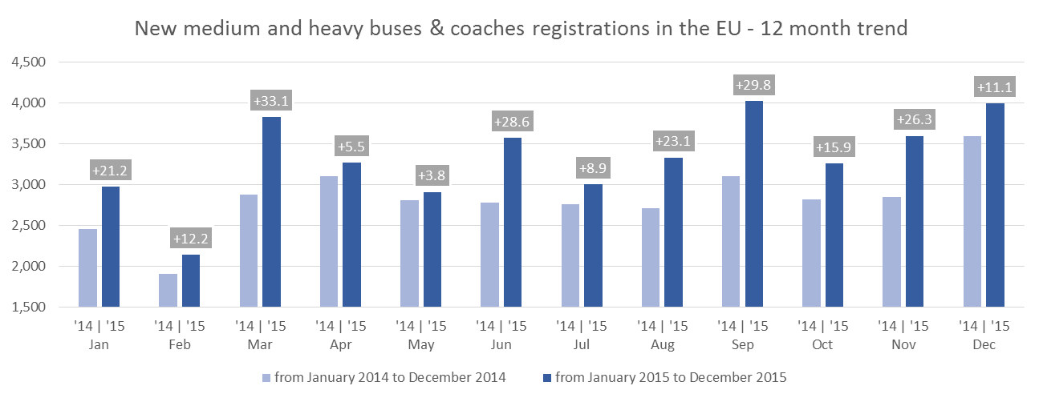

For further information, please contact: Ms Francesca Piazza - Statistics & Communications Advisor - E-mail: fp@acea.be - Tel. (32) 2 738 73 55
This information is available on the ACEA website: http://www.acea.be
 |  |  |  |  |  |  |  | Page 6 of 7

TOTAL
 |  | P R E S S R E L E A S E

 |  | PRESS EMBARGO FOR ALL DATA :
 |  | 8.00 AM (7.00 AM GMT), 26 January 2016

 |  | PROVISIONAL
 |  | EU1+EFTA COUNTRIES NEW REGISTRATION FIGURES BY MARKET
 |  | TOTAL NEW COMMERCIAL VEHICLES2

 |  |  |  |  |  |  | 26/01/16
 |  | December | December | % | Jan-Dec | Jan-Dec | %
 |  | '15 | '14 | Change | '15 | '14 | Change
 | AUSTRIA | 3,039 | 2,647 | 14.8% | 41,042 | 38,897 | 5.5%
 | BELGIUM | 4,873 | 4,394 | 10.9% | 70,458 | 62,316 | 13.1%
 | BULGARIA3 | 581 | 385 | 50.9% | 4,553 | 3,972 | 14.6%
 | CROATIA | 569 | 322 | 76.7% | 7,828 | 6,255 | 25.1%
 | CYPRUS4 | 131 | 88 | 48.9% | 1,490 | 1,171 | 27.2%
 | CZECH REPUBLIC | 3,142 | 2,503 | 25.5% | 29,213 | 23,280 | 25.5%
 | DENMARK | 3,726 | 3,450 | 8.0% | 37,767 | 32,658 | 15.6%
 | ESTONIA | 278 | 281 | -1.1% | 4,572 | 3,876 | 18.0%
 | FINLAND | 1,290 | 1,127 | 14.5% | 14,664 | 13,876 | 5.7%
 | FRANCE | 44,420 | 40,595 | 9.4% | 427,866 | 415,042 | 3.1%
 | GERMANY | 30,410 | 27,970 | 8.7% | 333,783 | 319,945 | 4.3%
 | GREECE | 639 | 714 | -10.5% | 6,239 | 5,414 | 15.2%
 | HUNGARY | 3,115 | 2,695 | 15.6% | 23,762 | 21,243 | 11.9%
 | IRELAND | 284 | 161 | 76.4% | 25,876 | 18,701 | 38.4%
 | ITALY5 | 15,532 | 12,606 | 23.2% | 149,853 | 132,418 | 13.2%
 | LATVIA | 323 | 397 | -18.6% | 4,066 | 3,809 | 6.7%
 | LITHUANIA | 464 | 328 | 41.5% | 6,274 | 4,536 | 38.3%
 | LUXEMBOURG | 345 | 327 | 5.5% | 5,134 | 4,529 | 13.4%
 | NETHERLANDS | 4,283 | 3,974 | 7.8% | 71,828 | 62,777 | 14.4%
 | POLAND | 8,794 | 7,105 | 23.8% | 77,461 | 64,766 | 19.6%
 | PORTUGAL | 4,159 | 4,149 | 0.2% | 35,151 | 29,531 | 19.0%
 | ROMANIA | 1,889 | 1,244 | 51.8% | 19,329 | 14,958 | 29.2%
 | SLOVAKIA | 1,111 | 914 | 21.6% | 12,123 | 9,713 | 24.8%
 | SLOVENIA | 958 | 633 | 51.3% | 9,522 | 8,638 | 10.2%
 | SPAIN | 16,646 | 13,534 | 23.0% | 179,980 | 131,973 | 36.4%
 | SWEDEN | 5,245 | 4,977 | 5.4% | 51,585 | 48,519 | 6.3%
 | UNITED KINGDOM | 35,580 | 29,583 | 20.3% | 427,903 | 366,595 | 16.7%
 | EUROPEAN UNION1 | 191,826 | 167,103 | 14.8% | 2,079,322 | 1,849,408 | 12.4%
 | EU15 | 170,471 | 150,208 | 13.5% | 1,879,129 | 1,683,191 | 11.6%
 | EU121 | 21,355 | 16,895 | 26.4% | 200,193 | 166,217 | 20.4%
 | ICELAND | 139 | 140 | -0.7% | 1,675 | 1,093 | 53.2%
 | NORWAY | 4,925 | 3,193 | 54.2% | 39,420 | 36,071 | 9.3%
 | SWITZERLAND | 2,911 | 2,645 | 10.1% | 35,641 | 33,618 | 6.0%
 | EFTA | 7,975 | 5,978 | 33.4% | 76,736 | 70,782 | 8.4%
 | EU+EFTA | 199,801 | 173,081 | 15.4% | 2,156,058 | 1,920,190 | 12.3%
 | WESTERN EUROPE (EU15+EFTA) | 178,446 | 156,186 | 14.3% | 1,955,865 | 1,753,973 | 11.5%
 | SOURCE: NATIONAL AUTOMOBILE MANUFACTURERS' ASSOCIATIONS
 | 1Data for Malta unavailable |  |  | 4Data for Buses & Coaches unavailable
 | 2Total Light, Medium & Heavy Commercial Vehicles and Buses & Coaches |  |  | 5ANFIA estimates based on vehicle registration certificates issued by the Italian Ministry of Transport
 | 3Data for Medium & Heavy Commercial Vehicles and Buses & Coaches unavailable
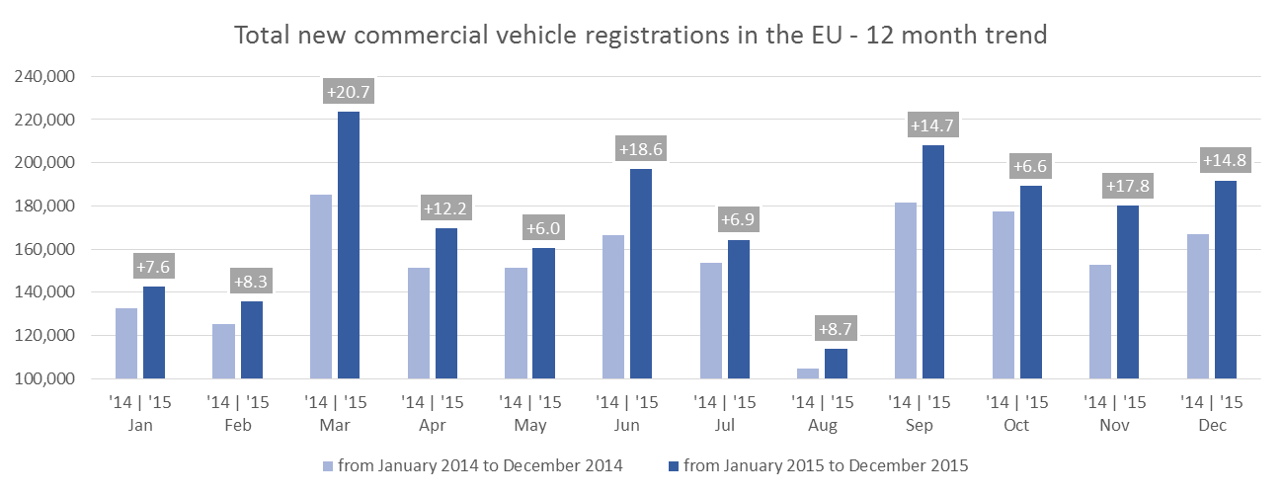

For further information, please contact: Ms Francesca Piazza - Statistics & Communications Advisor - E-mail: fp@acea.be - Tel. (32) 2 738 73 55
This information is available on the ACEA website: http://www.acea.be
 |  |  |  |  |  |  |  | Page 7 of 7

